Apriori Min Sup 5
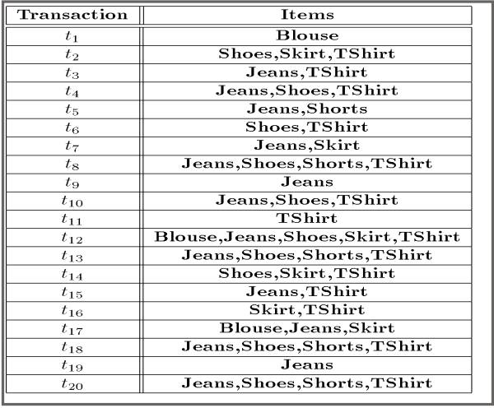
 |  |  |  |  |  |  |  | Transaction | Item 1 | Item 2 | Item 3 | Item 4 | Item 5 |  | Item All
 |  |  |  |  |  |  |  | t1 | Blouse |  |  |  |  |  | Blouse
 |  |  |  |  |  |  |  | t2 | Shoes | Skirt | TShirt |  |  |  | Shoes,Skirt,TShirt
 |  |  |  |  |  |  |  | t3 | Jeans | TShirt |  |  |  |  | Jeans,TShirt
 |  |  |  |  |  |  |  | t4 | Jeans | Shoes | TShirt |  |  |  | Jeans,Shoes,TShirt
 |  |  |  |  |  |  |  | t5 | Jeans | Shorts |  |  |  |  | Jeans,Shorts
 |  |  |  |  |  |  |  | t6 | Shoes | TShirt |  |  |  |  | Shoes,TShirt
 |  |  |  |  |  |  |  | t7 | Jeans | Skirt |  |  |  |  | Jeans,Skirt
 |  |  |  |  |  |  |  | t8 | Jeans | Shoes | Shorts | TShirt |  |  | Jeans,Shoes,Shorts,TShirt
 |  |  |  |  |  |  |  | t9 | Jeans |  |  |  |  |  | Jeans
 |  |  |  |  |  |  |  | t10 | Jeans | Shoes | TShirt |  |  |  | Jeans,Shoes,TShirt
 |  |  |  |  |  |  |  | t11 | TShirt |  |  |  |  |  | TShirt
 |  |  |  |  |  |  |  | t12 | Blouse | Jeans | Shoes | Skirt | TShirt |  | Blouse,Jeans,Shoes,Skirt,TShirt
 |  |  |  |  |  |  |  | t13 | Jeans | Shoes | Shorts | TShirt |  |  | Jeans,Shoes,Shorts,TShirt
 |  |  |  |  |  |  |  | t14 | Shoes | Skirt | TShirt |  |  |  | Shoes,Skirt,TShirt
 |  |  |  |  |  |  |  | t15 | Jeans | TShirt |  |  |  |  | Jeans,TShirt
 |  |  |  |  |  |  |  | t16 | Skirt | TShirt |  |  |  |  | Skirt,TShirt
 |  |  |  |  |  |  |  | t17 | Blouse | Jeans | Skirt |  |  |  | Blouse,Jeans,Skirt
 |  |  |  |  |  |  |  | t18 | Jeans | Shoes | Shorts | TShirt |  |  | Jeans,Shoes,Shorts,TShirt
 |  |  |  |  |  |  |  | t19 | Jeans |  |  |  |  |  | Jeans
minimum support | 6 |  |  |  |  |  |  | t20 | Jeans | Shoes | Shorts | TShirt |  |  | Jeans,Shoes,Shorts,TShirt
minimum confiedence | 50%
 |  | C1 |  |  |  |  |  | L1
unique item |  | Item Set | Sup. Count | Relative Support |  |  |  | Item Set | Sup.Count | Relative Support
Blouse |  | Blouse | 3 | 0.15 |  |  |  | Shoes | 10 | 0.5 |  |  |  |  | Confiedence
Shoes |  | Shoes | 10 | 0.5 |  |  |  | Jeans | 14 | 0.7 |  |  |  |  | Items [X -> Y] | sup(X U Y) | sup(X) | conf
Jeans |  | Jeans | 14 | 0.7 |  |  |  | TShirt | 14 | 0.7 |  |  |  |  | [Shoes -> Jeans] | 7 | 10 | 70%
TShirt |  | TShirt | 14 | 0.7 |  |  |  | Skirt | 6 | 0.3 |  |  |  |  | [Jeans -> Shoes] | 7 | 14 | 50%
Skirt |  | Skirt | 6 | 0.3 |  |  |  |  |  |  |  |  |  |  | [Shoes -> Tshirt] | 10 | 10 | 100%
 |  | Shorts | 5 | 0.25 |  |  |  |  |  |  |  |  |  |  | [Tshirt -> Shoes] | 10 | 14 | 71%
 |  |  |  |  |  |  |  |  |  |  |  |  |  |  | [Jeans -> Tshirt] | 9 | 14 | 64%
 |  | C2 |  |  |  |  |  | L2 |  |  |  |  |  |  | [Tshirt -> Jeans] | 9 | 14 | 64%
 |  | Item Set |  |  | Sup. Count | Relative Support |  | Item Set |  |  | Sup. Count | Relative Support
 |  | Shoes | Jeans | Shoes, Jeans | 7 | 0.35 |  | Shoes | Jeans | Shoes, Jeans | 7 | 0.35 |  |  | [TShirt -> (Shoes, Jeans)] | 7 | 14 | 50%
 |  | Shoes | TShirt | Shoes, TShirt | 10 | 0.5 |  | Shoes | TShirt | Shoes, TShirt | 10 | 0.5 |  |  | [Jeans -> (Shoes, Tshirt)] | 7 | 14 | 50%
 |  | Shoes | Skirt | Shoes, Skirt | 3 | 0.15 |  | Jeans | TShirt | Jeans , TShirt | 9 | 0.45 |  |  | [Shoes -> (Tshirt,Jeans)] | 7 | 10 | 70%
 |  | Jeans | TShirt | Jeans, TShirt | 9 | 0.45 |  |  |  |  |  |  |  |  | [(Shoes,Jeans) -> Tshirt] | 7 | 7 | 100%
 |  | Jeans | Skirt | Jeans, Skirt | 3 | 0.15 |  |  |  |  |  |  |  |  | [(Shoes,Tshirt) -> Jeans] | 7 | 10 | 70%
 |  | TShirt | Skirt | TShirt, Skirt | 4 | 0.2 |  |  |  |  |  |  |  |  | [(Jeans.Tshirt) -> Shoes] | 7 | 9 | 78%

 |  | C3 |  |  |  |  |  |  | L3
 |  | Item Set |  |  |  | Sup. Count | Relative Support |  | Item Set |  |  |  | Sup. Count | Relative Support
 |  | Shoes | Jeans | Tshirt | Shoes, Jeans, Tshirt | 7 | 0.35 |  | Shoes | Jeans | Tshirt | Shoes, Jeans, Tshirt | 7 | 0.35

 |  | Batas : 3- Item Set

